ERD
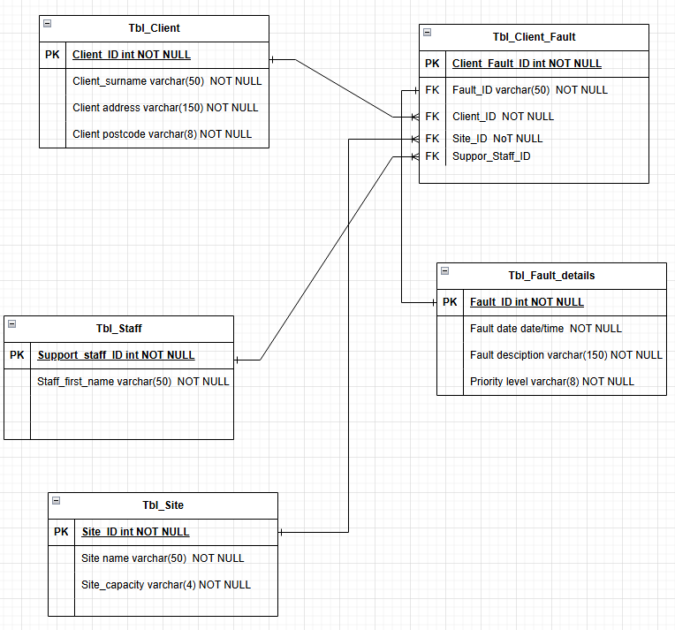

Data Dictionary
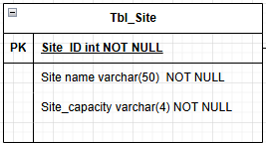
Tbl_Site
Field Name | Data Type | Size/Format | Primary Key | Foreign Key | Null Allowed | Example Value | Description | Validation Rules
Site ID | INT | Auto Increament | Yes | No | No | 1 | Unique Identifer to each manufactuing site. Automatically generated | Must be numeric, unique and system generated.
Site Name | VARCHAR | 50 characters | No | No | No | North Plant | Official name of the manufacturing site | Must not be blank, Maximum 100 characters. Schould be unique.
SiteCapacity | INT | Whole number | No | No | No | 200 | Maximum operational capacity of the site. Used for reporting and analaysis | Must be numeric. Must be greater than 0. No text allowed

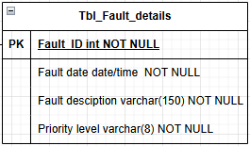
Tbl_Fault
Field Name | Data Type | Size/Format | Primary Key | Foreign Key | Null Allowed | Example Value | Description | Validation Rules
Fault_ID | INT | Auto Increament | Yes | No | No | 1 | Unique Identifier for each Fault ID. Automatically generated | Must be numeric, unique and system genereated
Fault_Date | date/time | DD/MM/YYYY | No | No | No | 2020-01-09 | Date that the fault was booked | Must be in the date and time, Must not be empty
Priority_level | VARCHAR | High/Medium/Low | No | No | No | High | The level of importance of the fault for the use | Must not be empty, Maximum 8 charcters
Fault_description | VARCHAR | 50 characters | No | No | No | Minor vibration detected in gearbox | The description of the fault and what it is about | Must not be empty, Maximum 50 characters, ,Must be text

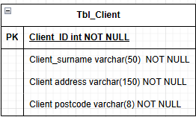
Tbl_Client
Field Name | Data Type | Size/Format | Primary Key | Foreign Key | Null Allowed | Example Value | Description | Validation Rules
Client_ID | INT | Auto generated | Yes | No | No | 1 | Unique Identifier for Clients, automatically generated | Must be numeric, unique and system genereated
Client_surname | VARCHAR | 20 Characters | No | No | No | Mitchell | The last name of the clients | Must not be empty. Maximum 20 characters. Should be uniqe
Client_address | VARCHAR | 20 Characters | No | No | No | 314 Clifton Street | The address of the clients | Must not be empty. Maximum 20 characters. Should be uniqe
Client_postcode | VARCHAR | 8 Characters | No | No | No | BV5 1OA | The postcode of the clients | Must not be empty. Maximum 8 characters, Must be unique

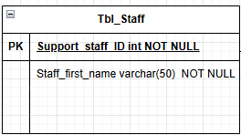
Tbl_Support
Field Name | Data Type | Size/Format | Primary Key | Foreign Key | Null Allowed | Example Value | Description | Validation Rules
Support_ID | INT | Auto generated | Yes | No | No | 1 | Unique identifier for Support Name, Automatically generated | Must be numeric, unique and system genereated
Staff_first_Name | VARCHAR | 10 characters | No | No | No | Mariya | The first name for the support staff | Must not be empty. Maximum 10 characters. Should be uniqe

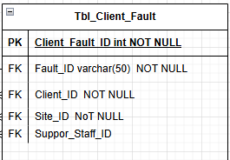
Tbl_Client_Fault
Field Name | Data Type | Size/Format | Primary Key | Foreign Key | Null Allowed | Example Value | Description | Validation Rules
Client Fault ID | INT | Auto generated | Yes | No | No | C01 | Unique identifier for Client Fault ID, Automatically generated | Must be numeric, unique and system genereated
Fault ID | INT | Auto generated | No | Yes | No | 1 | Unique identifier for Fault ID, Automatically generated | Must be numeric, unique and system genereated
Client ID | INT | Auto generated | No | Yes | No | 19 | Unique identifier for Client ID, Automatically generated | Must be numeric, unique and system genereated
Site ID | INT | Auto generated | No | Yes | No | 15 | Unique identifier for Site ID, Automatically generated | Must be numeric, unique and system genereated
Support Staff ID | INT | Auto generated | No | Yes | No | 11 | Unique identifier for Support Staff ID, Automatically generated | Must be numeric, unique and system genereated

